MERGED
 |  |  |  | METALMAN AUTO PRIVATE LIMITED |  |  |  |  |  |  |  |  |  |  |  |  | VERSION NO | MAPL/CCDT/CORO/V1.0 |  | Required CFT Member
BUSINESS CATEGORY |  |  |  | BUSINESS DOMAIN |  |  | CUSTOMER NAME | CNHI | CONFIDENTIALITY |  |  |  |  |  |  |  |  | BUSINESS LOCATION | MAPL Pithampur |  |  | RFQ RECEIVED DATE |  | CUSTOMER NAME | CNH | CFT REVIEW COMPLETION TARGET DATE |  | COSTING COMPLETION TARGET DATE FOR ENGG
Part Details |  |  |  |  |  |  |  |  |  |  |  |  |  |  |  |  |  | Material Details |  |  |  |  |  |  | Process |  |  |  | Surface Treatment details |  |  |  |  | Dimensional Measurement Feasibility |  |  |  |  |  |  | Final Feasibility Comments/Conclusion
Sr No | Operation No. | Processes | BOM Level | Part No. | Part Description | Qty/Assy | Drg Avl | Revision no | Commodity | Sub Assemblies used in operations | Fixture No. | Fixture Name | Make | Welding Source | Photo | Part Name | Scope | Material Gr. (As per Drawing) |  | Material Gr. (MAPL Prop.) |  | Thickness/Size(mm) (As per Drawing) | Thickness/Size(mm) (MAPL Consider) with Proposed tolerances | Net Weight in drg. (Kgs.) (Based on final material grade) | Manufacturing Process Details | Manufacturing Facility Availability | Inspection Facility Availability | FTGE Requirements | Surface Treatment (Y/N) | ST type | Available In-house | Can it be Outsourced (Yes / No | Any Constraint to meet Requirement | Total Dimension in drawing (Including all notes) | Total SC/CC Dimensions in Drawing |  | Not Feasible Dimensions (For Manufacturing) | Not Feasible Dimensions (For Inspection ) | Ballooning no. for |  | Special Requirement (IF any) of any deviation required | Feasibility (Y/N) | Remarks
 |  |  |  |  |  |  |  |  |  |  |  |  |  |  |  |  |  | Standard & Grade | Specific requirement by Customer (Chemical Composition / Mechanical Properties / Any Specific test | Standard & Grade | Diff. Between Required grade & Proposed grade (Chemical Composition / Mechanical Properties / Any other) |  |  |  |  |  |  |  |  |  |  |  |  |  | SC | CC |  |  | Non Feasible Dimensions For Manufacturing | Non Feasible Dimensions For Inspection
1 | OP-10 A | Tack-welding+Full welding | 2 | 92187151 | PLATE ,DOOR,SIDE | 1 | YES | A | SHEET METAL |  | WF No. : MAPL-92187146-1-OP-10A) | SUB-ASSY -92187146-1 -Door WA,LH,952NX, Rev-C | DE | Manual | 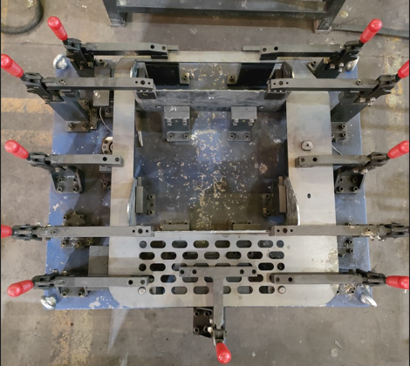 | DOOR, ASSY, LH, 952NX | MAPL | E250BR | NA | E250BR | NA | 5+1.10/0.49 | 5+1.10/0.49 | 7.53 | LC | YES | YES |  | Y | Y | Y | N | N |  |  |  |  |  |  |  |  | Feasible
2 |  |  | 2 | 92187148 | PLATE, CHEQUERED | 1 | YES | B | SHEET METAL |  |  |  |  |  |  |  | MAPL | IS 3502 | NA | IS 3502 | NA | 4+0.8/-0,4 | 4+0.8/-0,4 | 3.36 | LC+BENDING | YES | YES
3 |  |  | 2 | 92187147 | PLATE, CHEQUERED | 1 | YES | B | SHEET METAL |  |  |  |  |  |  |  | MAPL | IS 3502 | NA | IS 3502 | NA | 4+0.8/-0,4 | 4+0.8/-0,4 | 3.08 | LC+BENDING | YES | YES
4 | OP-10 B | Tack-welding+Full welding | 2 | 92281502 | BRACKET,DOOR | 1 | YES | A | SHEET METAL | OP-10 A | WF No. : MAPL-92187146-2-OP-10B) | SUB-ASSY -92187146-2 -Door WA,LH,952NX, Rev-C | DE | Manual | 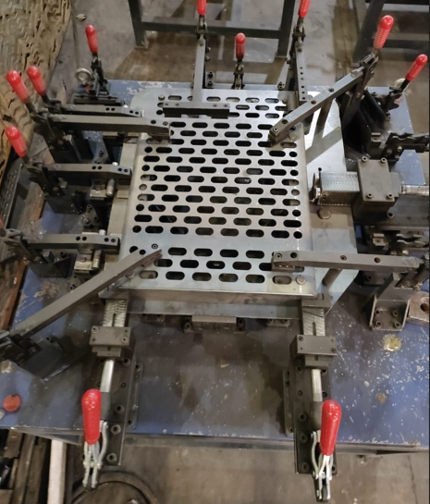 | DOOR, ASSY, LH, 952NX | MAPL | E250BR | NA | E250BR | NA | 5+1.10/0.49 | 5+1.10/0.49 | 7.77 | LC+BENDING | YES | YES
5 |  |  | 2 | 92187149 | PLATE, DOOR TOP | 1 | YES | A | SHEET METAL |  |  |  |  |  |  |  | MAPL | E250BR | NA | E250BR | NA | 3+0.8/-0.4 | 3+0.8/-0.4 | 0.742 | LC | YES | YES
6 |  |  | 2 | 92187145 | PLATE, DOOR LOCK, MTG | 1 | YES | B | SHEET METAL |  |  |  |  |  |  |  | MAPL | E350C | NA | E350C | NA | 10+1.2/-0.73 | 10+1.2/-0.73 | 0.221 | LC+DRILL+TAPPING | YES | YES
7 |  |  | 2 | 92218240 | BRACKET, DOOR, REINFORMENT | 1 | YES | A | SHEET METAL |  |  |  |  |  |  |  | MAPL | E250BR | NA | E250BR | NA | 3 | 3 | 0.635 | LC+BENDING | YES | YES
8 |  |  | 2 | 92218241 | PLATE, SUPPORT | 1 | YES | A | SHEET METAL |  |  |  |  |  |  |  | MAPL | E350C | NA | E350C | NA | 10+1.2/-0.73 | 10+1.2/-0.73 | 0.118 | LC+GRINDING | YES | YES
9 |  |  | 2 | 92217650 | BRACKET, DOOR, REINFORMENT | 1 | YES | A | SHEET METAL |  |  |  |  |  |  |  | MAPL | E250BR | NA | E250BR | NA | 5+1.10/0.49 | 5+1.10/0.49 | 7.77 | LC+BENDING | YES | YES
10 |  |  | 2 | 92217651 | GUSSET, STOPPER | 1 | YES | A | SHEET METAL |  |  |  |  |  |  |  | MAPL | E250BR | NA | E250BR | NA | 3+0.8/-0.4 | 3+0.8/-0.4 | 0.011 | LC | YES | YES
11 |  |  | 2 | 92217652 | GUSSET, STOPPER | 1 | YES | A | SHEET METAL |  |  |  |  |  |  |  | MAPL | E250BR | NA | E250BR | NA | 3+0.8/-0.4 | 3+0.8/-0.4 | 0.024 | LC | YES | YES
12 |  |  | 2 | 90451393 | HINGE, GUARDMESH | 3 | YES | B | BOP |  |  |  |  |  |  |  |  | NA | NA | NA | NA | NA | NA | 23.8 | BOP | NA
13 |  |  | 2 | 92281539 | BLOCK, TAPPED M10X1.5 | 1 | YES | A | SHEET METAL |  |  |  |  |  |  |  | MAPL | E350C | NA | E350C | NA | 16+1.3/-0.6 | 16+1.3/-0.6 | 0.202 | GS+DRLL+TAPPING | YES | YES
14 | OP-20 | Full welding |  |  |  |  |  |  |  | OP-10 B | Welding Fixture (WF No. : MAPL-92187146-3 -OP-20) | Full Welding -92187146-Door WA,LH,952NX, Rev-C | MAPL | Manual | 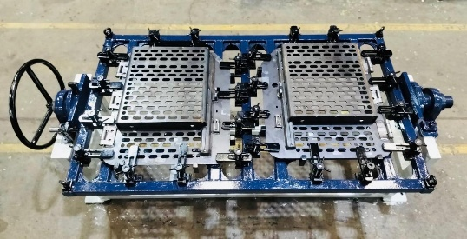 | DOOR, ASSY, LH&RH, 952NX |  |  | NA
15 | OP-30 | Painting | 1 | 92249728 | DOOR PWRTAN, LH, 952NX | 1 | YES | C | Painted Assly | OP-10 B,OP-20 | NA | Painting (DOOR, ASSY, LH, 952NX-92244728) (Power Tan -Std-86628042) |  | Manual |  | DOOR, ASSY, LH, 952NX | MAPL | NA | NA | NA | NA | NA | NA | 23.8 | PT + CED + PAINTING | YES | YES
16 |  |  | 2 | 92187146 | DOOR WA, LH, 952NX | 1 | YES | C | Sub Assy |  |  |  |  |  |  |  | MAPL | NA | NA | NA | NA | NA | NA | 23.8 | TW + FW + dressing | YES | YES
17 | OP-40 | Final Assembly | 1 | 92244737 | RUBBER TRACK, BEADING | 2 | YES | A | BOP | OP-30 | RG No. : MAPL-92187158-OP-40) | FINAL ASSEMBLY (92187158-DOOR, ASSY, LH, 952NX) Rev-C | DE | Manual | 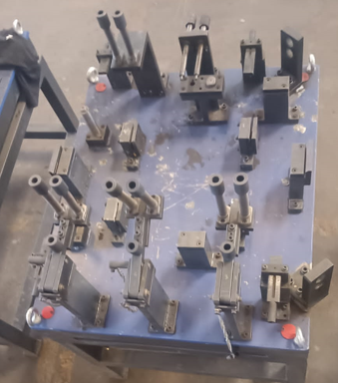 | DOOR, ASSY, LH, 952NX-Receiving Gauge |  | NA | NA | NA | NA | NA | NA | 0.416 | BOP | NA
18 | OP-50 | Inspection | 0 | 92187158 | DOOR PWRTAN, LH, 952NX | 1 | YES | A | Painted Assly | OP-40 | NA | FINAL INSPECTION (92187158-DOOR, ASSY, LH, 952NX) Rev-C |  | Manual |  | DOOR, ASSY, LH, 952NX | MAPL | NA | NA | NA | NA | NA | NA | 24.3 | PT + CED + PAINTING | YES | YES |  | Y | Y | Y | N | N |  |  |  |  |  |  |  |  | Feasible

